Bug Report
Bug id | Priority | Descripton/Bug summary | Pre-condition | Bug steps | Expected result | Actual result | Status | Test Engineer | Browser name | Attachments | Defect Type

Bug_001 | P2 | After multiple consecutive failed login attempts tthere is no impact on user account | 1. Open Browser 2.Enter the URL https://edu-connect-kappa.vercel.app/ | 1.Enter URL- https://edu-connect-kappa.vercel.app/ 2.click on login | User account may be temporarily locked or requires additional verification. | should not be asking to user for any verification or not temporarily blocking user | Fail | Istiyak Shaikh | 1. Microsoft Edge 2.Chorme Browser 3.Firefox |  | Major
Bug_002 | P2 | Login page has no language changing option | 1. Open Browser 2.Enter the URL https://edu-connect-kappa.vercel.app/ | 1.Enter URL- https://edu-connect-kappa.vercel.app/ 2.click on login | Log in page should have option to change language for log in page | Log in page don’t have option to change language for log in page | Fail | Istiyak Shaikh | 1. Microsoft Edge 2.Chorme Browser 3.Firefox |  | Major
Bug_003 | P2 | browser's autofill functionality not working correctly for the login form. | 1. Open Browser 2.Enter the URL https://edu-connect-kappa.vercel.app/ | 1.Enter URL- https://edu-connect-kappa.vercel.app/ 2.click on login | it should correctly populated with the saved credentials. | Autofill is not working | Fail | Istiyak Shaikh | 1. Microsoft Edge 2.Chorme Browser 3.Firefox | 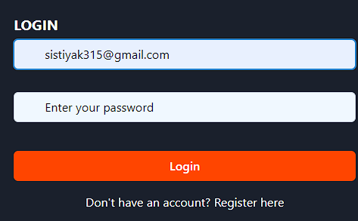 | Major
Bug_004 | P2 | "Login" button is enabled only when both username and password fields are filled. But here you can click without entering requirements | 1. Open Browser 2.Enter the URL https://edu-connect-kappa.vercel.app/ | 1.Enter URL- https://edu-connect-kappa.vercel.app/ 2.click on login | Login button should be enabled only when both fields are filled. | Login button is enabled always | Fail | Istiyak Shaikh | 1. Microsoft Edge 2.Chorme Browser 3.Firefox |  | Major
Bug_005 | P2 | manadatory field has no aestrik (*) | 1. Open Browser 2.Enter the URL https://edu-connect-kappa.vercel.app/ | 1.Enter URL- https://edu-connect-kappa.vercel.app/ 2.click on login | Aestrik should be available. | No aestrik found | Fail | Istiyak Shaikh | 1. Microsoft Edge 2.Chorme Browser 3.Firefox |  | Major
Bug_006 | P2 | Logo of the brand should be visible propperly | 1. Open Browser 2.Enter the URL https://edu-connect-kappa.vercel.app/ | 1.Enter URL- https://edu-connect-kappa.vercel.app/ 2.click on login | Brand logo should be visible propperly | Brand logo is not visible clearly | Fail | Istiyak Shaikh | 1. Microsoft Edge 2.Chorme Browser 3.Firefox |  | Major
Bug_007 | P1 | session timeout functionality after successful login. | 1. Open Browser 2.Enter the URL https://edu-connect-kappa.vercel.app/ | 1.Enter URL- https://edu-connect-kappa.vercel.app/ 2.click on login | User is automatically logged out and redirected to the login page after the session timeout period. | User is logged in on the page untill he logged out | Fail | Istiyak Shaikh | 1. Microsoft Edge 2.Chorme Browser 3.Firefox | Not used application for 10 minutes still remains log in on webpage | Major
Bug_008 | P2 | clicking the logo redirects the user to the homepage. | 1. Open Browser 2.Enter the URL https://edu-connect-kappa.vercel.app/ | 1.Enter URL- https://edu-connect-kappa.vercel.app/ 2.click on login 3. Top left ot the page | User should be redirected to the homepage. | User is not able to redirect to homepge | Fail | Istiyak Shaikh | 1. Microsoft Edge 2.Chorme Browser 3.Firefox |  | Major
Bug_009 | P3 | all links in the Homepage are not functioning | 1. Open Browser 2.Enter the URL https://edu-connect-kappa.vercel.app/ | 1.Enter URL- https://edu-connect-kappa.vercel.app/ 2.click on login 3. Middle of the Home page | Each link should redirects to the correct page | not working a single link on the homepage . | Fail | Istiyak Shaikh | 1. Microsoft Edge 2.Chorme Browser 3.Firefox |  | Blocker
Bug_010 | P4 | all expected content is not propperly present on the homepage | 1. Open Browser 2.Enter the URL https://edu-connect-kappa.vercel.app/ | 1.Enter URL- https://edu-connect-kappa.vercel.app/ 2.click on login 3. Bottom of the Home page | All expected elements should be present and correctly displayed | All expected elements are present but not displayed correctly | Fail | Istiyak Shaikh | 1. Microsoft Edge 2.Chorme Browser 3.Firefox |  | minor
Bug_011 | P0 | Not able to purchase the course | 1. Open Browser 2.Enter the URL https://edu-connect-kappa.vercel.app/ | 1.Enter URL- https://edu-connect-kappa.vercel.app/ 2.click on login 3. select the course 4. see the middle of page | We should able to buy courses | No option for Payment functionality | Fail | Istiyak Shaikh | 1. Microsoft Edge 2.Chorme Browser 3.Firefox |  | Blocker
Bug_012 | P3 | course images are little bit blurry | 1. Open Browser 2.Enter the URL https://edu-connect-kappa.vercel.app/ | 1.Enter URL- https://edu-connect-kappa.vercel.app/ 2.click on login 3. select the courses 4. see the middle of page | The course images should be clear | Course images are not cleared perfectly | Fail | Istiyak Shaikh | 1. Microsoft Edge 2.Chorme Browser 3.Firefox |  | Major
Bug_013 | P2 | No message is displayed when no courses are enrolled | 1. Open Browser 2.Enter the URL https://edu-connect-kappa.vercel.app/ | 1.Enter URL- https://edu-connect-kappa.vercel.app/ 2.click on login 3. select the My courses 4. see the middle of page | My Course page should be indicating no enrolled courses is displayed | there is no message showing on the page | Fail | Istiyak Shaikh | 1. Microsoft Edge 2.Chorme Browser 3.Firefox |  | Major
Bug_014 | P1 | completed courses are not marked or indicated as completed | 1. Open Browser 2.Enter the URL https://edu-connect-kappa.vercel.app/ | 1.Enter URL- https://edu-connect-kappa.vercel.app/ 2.click on login 3. select the My courses 4. see the middle of page | Completed courses should marked as completed | No options for mark completed for course | Fail | Istiyak Shaikh | 1. Microsoft Edge 2.Chorme Browser 3.Firefox |  | Major
Bug_015 | P0 | Performance issue the application it takes more then 3 seconds to load sometimes | 1. Open Browser 2.Enter the URL https://edu-connect-kappa.vercel.app/ | 1.Enter URL- https://edu-connect-kappa.vercel.app/ 2.click on login | Application should be load within 1 or 2 seconds | it takes more then 3 seconds to load | Fail | Istiyak Shaikh | 1. Microsoft Edge 2.Chorme Browser 3.Firefox | 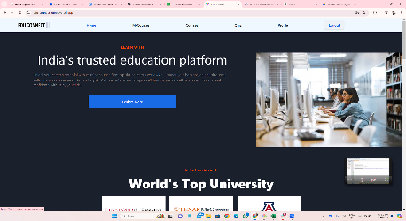 | Major
Bug_016 | P1 | No quiz timer is displayed | 1. Open Browser 2.Enter the URL https://edu-connect-kappa.vercel.app/ | 1.Enter URL- https://edu-connect-kappa.vercel.app/ 2.click on login 3.click on Quiz | Timer should be on quiz page for quiz | There is no timer option for quiz | Fail | Istiyak Shaikh | 1. Microsoft Edge 2.Chorme Browser 3.Firefox | 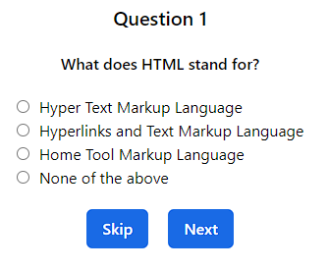 | Major
Bug_017 | P1 | after completing quiz correct answers score not calculating | 1. Open Browser 2.Enter the URL https://edu-connect-kappa.vercel.app/ | 1.Enter URL- https://edu-connect-kappa.vercel.app/ 2.click on login 3.click on Quiz | scores should be adding propperly | Scores are not calculating | Fail | Istiyak Shaikh | 1. Microsoft Edge 2.Chorme Browser 3.Firefox | 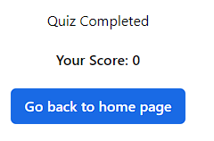 | Major
Bug_018 | P1 | feedback is not provided for correct and incorrect answers after submission | 1. Open Browser 2.Enter the URL https://edu-connect-kappa.vercel.app/ | 1.Enter URL- https://edu-connect-kappa.vercel.app/ 2.click on login 3.click on Quiz | User should be able to give feedback | There is no option for feedback | Fail | Istiyak Shaikh | 1. Microsoft Edge 2.Chorme Browser 3.Firefox | 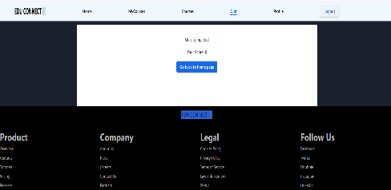 | Major
Bug_019 | P0 | edit profile option not given | 1. Open Browser 2.Enter the URL https://edu-connect-kappa.vercel.app/ | 1.Enter URL- https://edu-connect-kappa.vercel.app/ 2.click on login 3.click on My profile | User should be able to edit profile | There is no option to edit profile | Fail | Istiyak Shaikh | 1. Microsoft Edge 2.Chorme Browser 3.Firefox |  | Blocker
Bug_020 | P0 | upload a profile picture feature not given | 1. Open Browser 2.Enter the URL https://edu-connect-kappa.vercel.app/ | 1.Enter URL- https://edu-connect-kappa.vercel.app/ 2.click on login 3.click on My profile | User should be able to upload profile picture | No options for display picture | Fail | Istiyak Shaikh | 1. Microsoft Edge 2.Chorme Browser 3.Firefox |  | Blocker
Bug_021 | P0 | password change option is not available | 1. Open Browser 2.Enter the URL https://edu-connect-kappa.vercel.app/ | 1.Enter URL- https://edu-connect-kappa.vercel.app/ 2.click on login 3.click on My profile | User should have option to change password | No options to change password | Fail | Istiyak Shaikh | 1. Microsoft Edge 2.Chorme Browser 3.Firefox |  | Blocker
Bug_022 | P0 | Performing Login feature then logout feature and if you want to again log in to application then it will not perform | 1. Open Browser 2.Enter the URL https://edu-connect-kappa.vercel.app/ | 1. Open Browser 2.Enter the URL https://edu-connect-kappa.vercel.app/ 3.click on login 4.click on logout 5.click on login | User should able to logout log in N number of times | Not able to login again if logout the webpage | Fail | Istiyak Shaikh | 1. Microsoft Edge 2.Chorme Browser 3.Firefox | 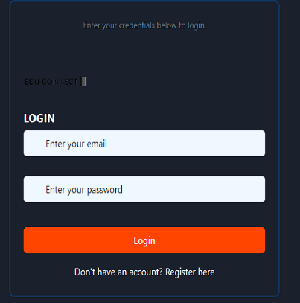 | Blocker
Bug_023 |  | Password forget option is not on log in page | 1. Open Browser 2.Enter the URL https://edu-connect-kappa.vercel.app/ | 1.Enter URL- https://edu-connect-kappa.vercel.app/ 2.click on login | User should have forget password option | User don’t have forget password option | Fail | Istiyak Shaikh | 1. Microsoft Edge 2.Chorme Browser 3.Firefox
Bug_024 |  | Skip button is not working | 1. Open Browser 2.Enter the URL https://edu-connect-kappa.vercel.app/ | 1.Enter URL- https://edu-connect-kappa.vercel.app/ 2.click on login 3.click on quiz 4.click on skip button | Skip button should be working | Skip button is not working | Fail | Istiyak Shaikh | 1. Microsoft Edge 2.Chorme Browser 3.Firefox | 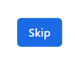 | Blocker

